Landscape Priority
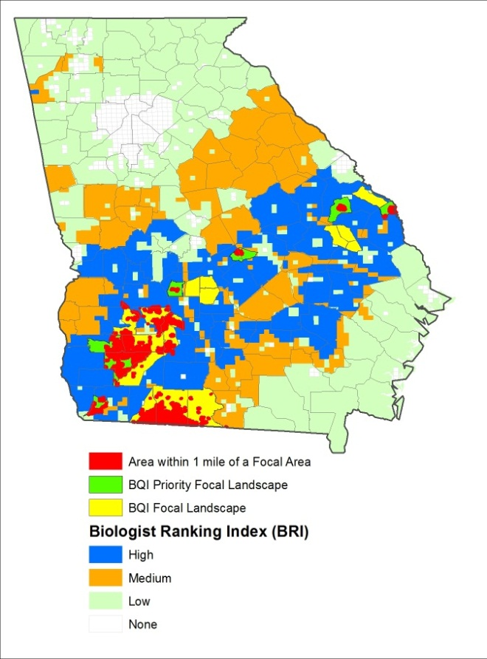
Georgia BQI Priority Landscapes | Georgia BQI Landscape Ranking
 | Points | Weight
Within 1 mile of a Focal Area | 50 | 25%
Priority 1 Focal Landscape | 100 | 50%
Priority 2 Focal Landscape | 75 | 38%
High BRI | 50 | 25%
Medium BRI | 25 | 13%
Low BRI | 10 | 5%
None | 0 | 0%

